ART
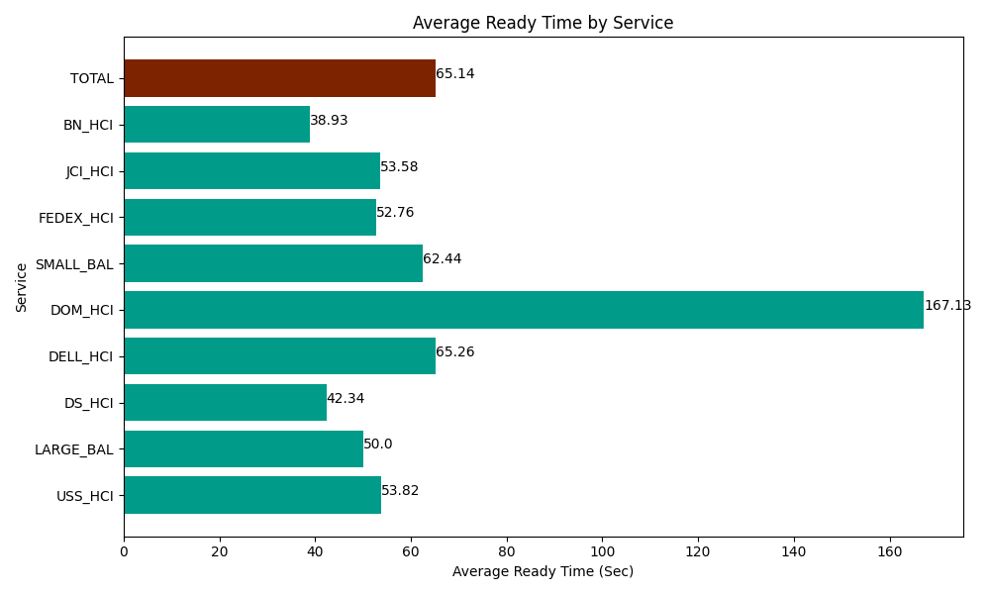
Date | Service | Successful Op Transfer | In Call (Sec) | Ready (Sec) | Wrapup (Sec) | Not Ready (Sec) | Average Ready Time (Sec)
04-25-2024 | USS_HCI | 235 | 28597.800293 | 12648.000183 | 30331.199341 | 25176.000366 | 53.82
04-25-2024 | LARGE_BAL | 3 | 31.799998283 | 150 | 107.99999714 | 38.999998569 | 50
04-25-2024 | DS_HCI | 637 | 46009.801025 | 26971.799927 | 63481.201172 | 72333.00293 | 42.34
04-25-2024 | DELL_HCI | 123 | 9907.199707 | 8026.7999268 | 33358.798828 | 16750.200806 | 65.26
04-25-2024 | DOM_HCI | 9 | 343.80000114 | 1504.1999817 | 340.20000458 | 22.799999714 | 167.13
04-25-2024 | SMALL_BAL | 108 | 8668.2000732 | 6744.0000916 | 15008.999634 | 15652.199707 | 62.44
04-25-2024 | FEDEX_HCI | 134 | 15145.19989 | 7069.8001099 | 14145 | 16712.999268 | 52.76
04-25-2024 | JCI_HCI | 413 | 46915.799561 | 22129.799194 | 48976.201172 | 9562.800293 | 53.58
04-25-2024 | BN_HCI | 1106 | 54242.999268 | 43057.800293 | 99424.797363 | 82880.998535 | 38.93
 | TOTAL | 2768 | 209862.59982 | 128302.19971 | 305174.39751 | 239130.0019 | 65.14

